Request
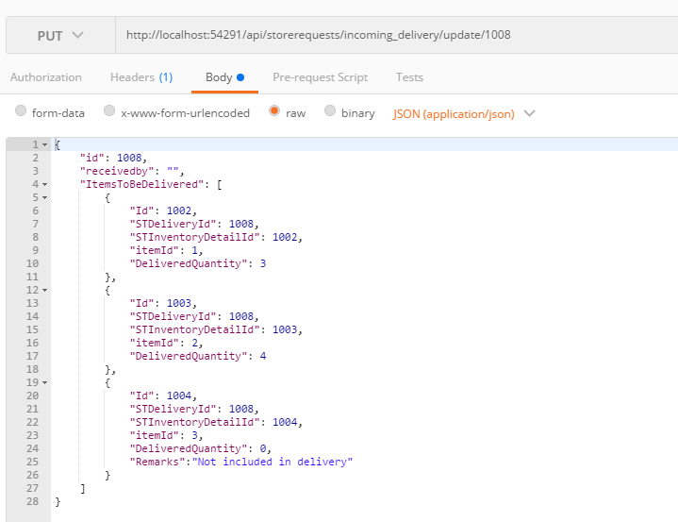
Parameter | Data Type | Length | Required | Unique | Remarks
Id | Int |  | Yes |  | STDelivery.Id
ReceivedBy | Int |  | Yes |  | User.Id
ItemsToBeDelivered | Array
Id | Int |  | Yes |  | STDeliveryDetail.Id
STDeliveryId | Int |  | Yes |  | STDelivery.Id
STInventoryDetailId | Int |  | Yes |  | STInventoryDetail.Id
ItemId | Int |  | Yes
DeliveredQuantity | Int |  | Yes
Remarks | String

Example

Response
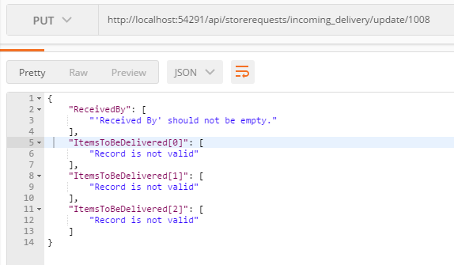
With Error

